Contents
Health Assets Reporting Tool

Please select from the
following options:

Table & Chart
Health Assets Reporting Tool

 | Powys 001 | Wales
Good health* | 83.5 | 77.2
Day-to-day activities not limited* | 82.7 | 76.9
5+ GCSE's or higher* | 66.0 | 59.2
Any qualifications* | 86.8 | 82.0
Can keep up with bills | 87.6 | 83.3
GP satisfaction | 92.8 | 91.6
Two parent households | 80.9 | 71.0
Feeling safe after dark | 84.4 | 80.8
Employed | 67.3 | 58.2
Adequate living space | 97.9 | 97.1
Local area satisfaction | 79.1 | 71.3
 | 90.6 | 83.7
Health Asset indicators, percentages, Powys 001 and Wales
Feeling safe after dark
Employed
Adequate living space
Local area satisfaction
Produced by Public Health Wales Observatory, using NSW (WG), Census 2011 (ONS) and DWP
86.8
92.8
80.9
67.3
97.9
79.1
Community
Two parent households
*These percentages are directly age-standardised using aggregated weightings from the 2013 European Standard Population.
Structure
84.4

Back to Contents
 |  |  |  |  |  | The numbers on the map refer to the last 2 digits of the MSOA name
 |  |  |  |  |  | Produced by Public Health Wales Observatory © Crown Copyright and database right 2015, Ordnance Survey 100044810

Select local authority first:

96.1%

Select MSOA (use map as a guide, scroll if no options appear):

 | Health Asset indicators, percentages, Powys 001 and Wales
 | Domain | Measure | Indicator | Powys 001 |  | Wales
 |  |  |  | % | (95% CI) | % | (95% CI)
 | People | Good health1 | % of people assessing their general health status as good or very good | 81.0 | - | 77.8 | -
 |  |  | % (age-standardised) of people assessing their general health status as good or very good* | 83.5 | (81.6 - 85.5) | 77.2 | (77.1 - 77.3)
 |  | Day-to-day activities not limited1 | % of people whose day-to-day activities are not limited by a long-term health problem or disability | 80.1 | - | 77.3 | -
 |  |  | % (age-standardised) of people whose day-to-day activities are not limited by a long-term health problem or disability* | 82.7 | (80.7 - 84.6) | 76.9 | (76.8 - 77.0)
 |  | 5+ GCSE's or higher1 | % of working age people achieving 5+ GCSE A* to C or higher | 65.2 | - | 59.2 | -
 |  |  | % (age-standardised) of working age people achieving 5+ GCSE A* to C or higher* | 66.0 | (63.8 - 68.3) | 59.2 | (59.1 - 59.3)
 |  | Any qualifications1 | % of working age people who have any qualifications | 86.0 | - | 82.1 | -
 |  |  | % (age-standardised) of working age people who have any qualifications* | 86.8 | (84.3 - 89.3) | 82.0 | (81.8 - 82.1)
 |  | No income related benefits2 | % of people not in receipt of income related benefits | 90.6 | - | 83.7 | -
 |  | Can keep up with bills3 | % of adults aged 16+ not experiencing financial difficulties | 87.6 | (72.0 - 94.5) | 83.3 | (82.4 - 84.1)
 | Community | GP satisfaction3 | % of adults aged 16+ that are satisfied with their GP care | 92.8 | (85.7 - 96.4) | 91.6 | (90.9 - 92.3)
 |  | Two parent households1 | % of one family households with two parents | 80.9 | - | 71.0 | -
 |  | Feeling safe after dark3 | % of adults aged 16+ that feel safe walking in their local area after dark | 84.4 | (62.8 - 94.8) | 80.8 | (79.9 - 81.7)
 | Structure | Employed1 | % of people who are in employment (excluding students) | 67.3 | - | 58.2 | -
 |  | Adequate living space1 | % of people not living in overcrowded households | 97.9 | - | 97.1 | -
 |  | Local area satisfaction3 | % of adults aged 16+ that are highly satisfied with their local area | 79.1 | (62.8 - 89.5) | 71.3 | (70.3 - 72.4)
 | Produced by Public Health Wales Observatory, using NSW (WG), Census 2011 (ONS) and DWP
 | *These percentages are directly age-standardised using aggregated weightings from the 2013 European Standard Population.
 | 1 Data source: Census 2011, Office of National Statistics (ONS)
 | 2 Data source: Department for Work and Pensions (DWP)
 | 3 Data source: National Survey for Wales (NSW), Welsh Government (WG)
 | CI = confidence interval '-' = not applicable

CopyGuidance
 |  | Figure 1
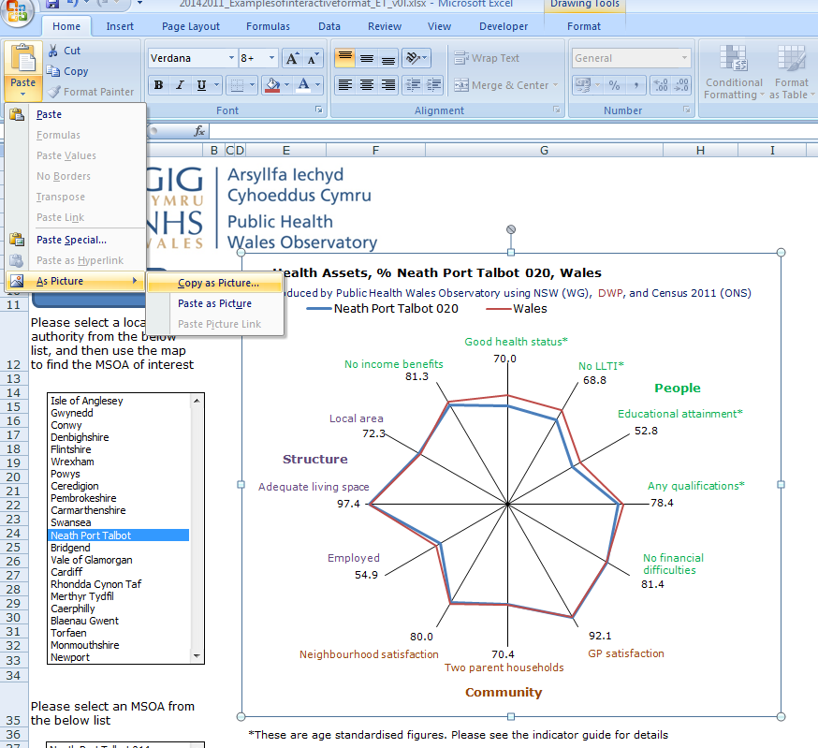
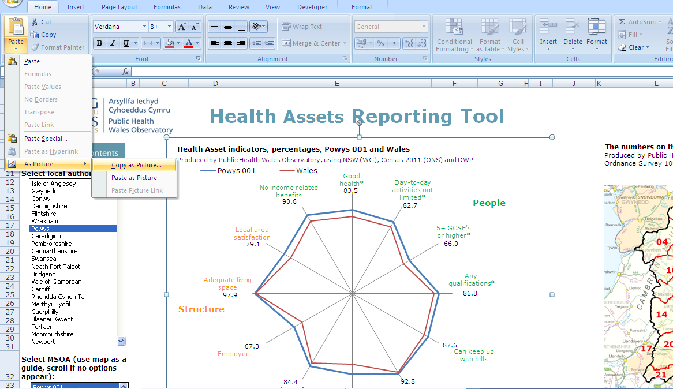

Copying and pasting charts and tables to use in documents, reports or presentations

Why use this method to copy and paste charts
If the standard {Copy} and {Paste} option is used for inserting Excel charts into documents, reports
or presentations then frequently the chart will lose some of its formatting and/or the axes labels may be
truncated. Similarly, table column sizes are often distorted using the standard {Copy} and {Paste}
method if a table is too wide. The technique descibed below overcomes these issues.

Copying and pasting a chart
1 | Select the chart you want to copy by left clicking on it once i.e. so that the surrounding points are
 | displayed
2 | On the 'Home' tab click the paste icon
3 | Click 'As picture' option and 'Copy as picture' (see figure 1)
4 | Choose 'As shown on screen' and 'picture'
5 | Using your mouse click on the point where you want to insert a copy of the chart e.g. in a Word
 | document / presentation
6 | On the 'Home' tab click 'paste' then 'paste special' and choose to insert as 'Picture (enhanced metafile)'

 |  | Figure 2
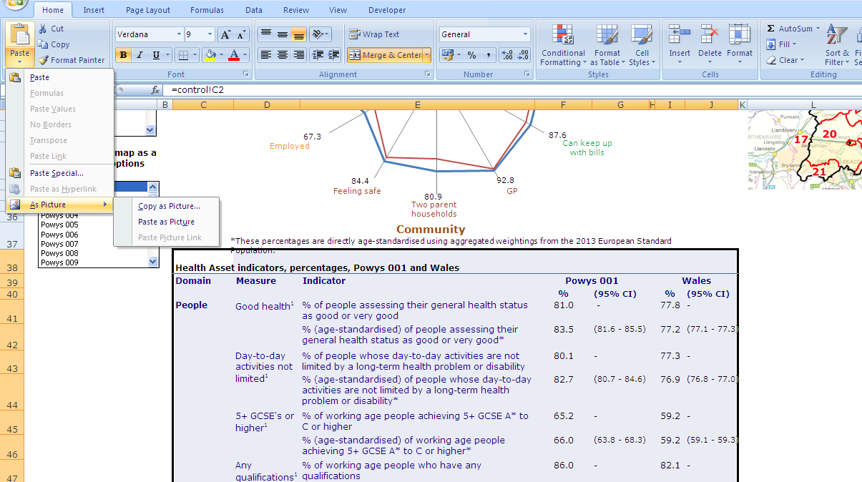
Copying and pasting a table as a picture
1 | Highlight the table you want to copy by left clicking on the top left hand corner
 | and dragging the mouse to the bottom right corner.
2 | On the 'Home' tab click the paste icon
3 | Click 'As picture' option and 'Copy as picture' (see figure 2)
4 | Choose 'As shown on screen' and 'picture'
5 | Using your mouse click on the point where you want to insert a copy of the chart e.g. in a Word
 | document / presentation
6 | On the 'Home' tab click 'paste' then 'paste special' and choose to insert as 'Picture (enhanced metafile)'

LA_HB_Summary table
 | Health Assets indicator summary table, Wales, health boards & local authorities
 | PEOPLE |  |  |  |  |  |  |  |  |  |  |  |  |  |  | COMMUNITY |  |  |  |  | STRUCTURE

 | Day-to-day activities not limited1a | Day-to-day activities not limited (age-standardised %)2a |  | Good health3b | Good health (age-standardised %)4b |  | 5+ GCSE's or higher5c | 5+ GCSE's or higher (age-standardised %)6c |  | Any qualifications7d | Any qualifications (age-standardised %)8d |  | No income related benefits9e | Can keep up with bills10f |  | Two parent households11g | GP satisfaction12f |  | Feeling safe after dark13f |  | Employed14h | Local area satisfaction15f |  | Adequate living space16i
Area | % | % | (95% CI) | % | % | (95% CI) | % | % | (95% CI) | % | % | (95% CI) | % | % | (95% CI) | % | % | (95% CI) | % | (95% CI) | % | % | (95% CI) | %
Wales | 77.3 | 76.9 | (76.8 - 77.0) | 77.8 | 77.2 | (77.1 - 77.3) | 59.2 | 59.2 | (59.1 - 59.3) | 82.1 | 82.0 | (81.8 - 82.1) | 83.7 | 83.3 | (82.4 - 84.1) | 71.0 | 91.6 | (90.9 - 92.3) | 80.8 | (79.9 - 81.7) | 58.2 | 71.3 | (70.3 - 72.4) | 97.1
Betsi Cadwaladr UHB | 78.4 | 79.1 | (78.9 - 79.3) | 79.5 | 80.0 | (79.8 - 80.2) | 60.0 | 60.4 | (60.2 - 60.6) | 83.6 | 83.9 | (83.6 - 84.2) | - | 85.5 | (84.1 - 86.9) | 73.5 | 93.3 | (92.1 - 94.5) | 80.6 | (79.0 - 82.1) | 60.2 | 73.7 | (71.9 - 75.5) | 97.2
Isle of Anglesey | 76.9 | 78.9 | (78.2 - 79.6) | 78.6 | 80.2 | (79.6 - 80.9) | 61.0 | 61.7 | (61.0 - 62.5) | 83.8 | 84.4 | (83.6 - 85.3) | 84.4 | 86.0 | (82.6 - 89.4) | 74.4 | 95.4 | (93.1 - 97.7) | 87.7 | (84.7 - 90.7) | 57.9 | 76.9 | (72.8 - 81.0) | 97.8
Gwynedd | 79.5 | 80.2 | (79.7 - 80.7) | 81.1 | 81.5 | (81.0 - 82.0) | 64.3 | 64.2 | (63.6 - 64.8) | 85.2 | 85.2 | (84.5 - 85.8) | 86.8 | 83.7 | (80.3 - 87.1) | 74.6 | 93.6 | (90.3 - 96.8) | 88.9 | (86.3 - 91.6) | 57.4 | 75.5 | (71.2 - 79.8) | 97.4
Conwy | 75.8 | 79.1 | (78.6 - 79.7) | 77.5 | 80.2 | (79.6 - 80.7) | 60.9 | 61.8 | (61.2 - 62.4) | 84.1 | 84.8 | (84.1 - 85.5) | 84.5 | 87.1 | (84.2 - 90.0) | 72.1 | 92.7 | (89.7 - 95.7) | 82.8 | (79.6 - 85.9) | 58.9 | 75.9 | (71.8 - 80.0) | 97.4
Denbighshire | 76.5 | 77.9 | (77.3 - 78.5) | 78.0 | 78.9 | (78.4 - 79.5) | 59.7 | 60.3 | (59.7 - 61.0) | 82.9 | 83.4 | (82.6 - 84.1) | 82.4 | 88.3 | (85.6 - 91.1) | 72.1 | 93.2 | (90.5 - 95.9) | 77.7 | (73.9 - 81.5) | 58.8 | 74.3 | (69.8 - 78.8) | 97.1
Flintshire | 80.5 | 79.8 | (79.3 - 80.2) | 81.1 | 80.4 | (79.9 - 80.8) | 58.7 | 59.0 | (58.5 - 59.5) | 84.6 | 84.8 | (84.2 - 85.4) | 87 | 84.1 | (80.5 - 87.7) | 74.4 | 92.5 | (89.7 - 95.3) | 76.6 | (72.5 - 80.7) | 63.7 | 72.2 | (68.0 - 76.4) | 97.2
Wrexham | 79.3 | 78.1 | (77.6 - 78.6) | 79.7 | 78.6 | (78.1 - 79.0) | 56.7 | 56.6 | (56.1 - 57.1) | 81.1 | 81.0 | (80.4 - 81.6) | 84.7 | 85.1 | (81.8 - 88.5) | 73.1 | 93.4 | (90.8 - 95.9) | 74.0 | (69.8 - 78.1) | 61.9 | 70.0 | (65.6 - 74.5) | 96.6
Powys tHB | 78.6 | 80.9 | (80.4 - 81.4) | 78.9 | 80.9 | (80.4 - 81.4) | 61.5 | 62.4 | (61.9 - 63.0) | 84.6 | 85.4 | (84.8 - 86.1) | - | 88.1 | (85.3 - 90.9) | 75.3 | 93.2 | (90.5 - 95.9) | 87.0 | (83.9 - 90.1) | 64.4 | 78.4 | (74.3 - 82.6) | 98.0
Hywel Dda UHB | 76.4 | 77.6 | (77.3 - 77.9) | 76.9 | 77.8 | (77.5 - 78.1) | 61.7 | 62.1 | (61.8 - 62.5) | 84.2 | 84.6 | (84.2 - 84.9) | - | 85.5 | (83.4 - 87.6) | 71.1 | 92.7 | (91.0 - 94.3) | 87.9 | (86.1 - 89.8) | 57.7 | 82.1 | (80.0 - 84.3) | 97.5
Ceredigion | 78.9 | 79.4 | (78.7 - 80.1) | 79.2 | 79.7 | (79.0 - 80.3) | 69.8 | 68.8 | (68.0 - 69.6) | 88.3 | 87.8 | (87.0 - 88.7) | 88.5 | 86.2 | (82.5 - 89.9) | 76.7 | 92.9 | (89.8 - 95.9) | 89.1 | (86.1 - 92.2) | 52.3 | 80.4 | (76.2 - 84.7) | 97.3
Pembrokeshire | 77.5 | 79.1 | (78.6 - 79.6) | 77.9 | 79.2 | (78.7 - 79.7) | 60.3 | 61.1 | (60.5 - 61.6) | 84.0 | 84.6 | (84.0 - 85.3) | 85.2 | 89.0 | (85.8 - 92.2) | 69.7 | 93.3 | (91.1 - 95.6) | 88.5 | (85.5 - 91.5) | 59.7 | 79.6 | (75.9 - 83.2) | 97.6
Carmarthenshire | 74.6 | 75.8 | (75.4 - 76.2) | 75.2 | 76.2 | (75.8 - 76.6) | 59.0 | 59.6 | (59.1 - 60.0) | 82.5 | 83.0 | (82.5 - 83.5) | 85 | 83.1 | (79.7 - 86.6) | 70.2 | 92.2 | (89.5 - 94.9) | 87.1 | (84.0 - 90.1) | 58.6 | 84.6 | (81.3 - 87.8) | 97.6
Abertawe Bro Morgannwg UHB | 75.1 | 74.4 | (74.2 - 74.6) | 76.2 | 75.5 | (75.2 - 75.7) | 57.6 | 57.3 | (57.1 - 57.6) | 80.9 | 80.6 | (80.3 - 80.9) | - | 84.0 | (82.0 - 86.1) | 69.9 | 91.8 | (90.2 - 93.5) | 80.3 | (78.0 - 82.5) | 55.7 | 72.9 | (70.4 - 75.5) | 97.2
Swansea | 76.7 | 75.7 | (75.4 - 76.1) | 77.9 | 76.9 | (76.6 - 77.3) | 61.6 | 60.8 | (60.4 - 61.2) | 83.4 | 82.8 | (82.4 - 83.3) | 83.4 | 82.8 | (79.1 - 86.6) | 68.4 | 92.0 | (89.0 - 95.0) | 79.8 | (75.9 - 83.6) | 54.5 | 71.8 | (67.3 - 76.3) | 96.8
Neath Port Talbot | 72.0 | 72.0 | (71.6 - 72.5) | 73.3 | 73.2 | (72.7 - 73.6) | 52.8 | 53.0 | (52.5 - 53.5) | 78.0 | 78.3 | (77.7 - 78.8) | 81 | 82.1 | (78.7 - 85.4) | 70.5 | 91.2 | (88.7 - 93.7) | 80.8 | (77.6 - 84.0) | 55.6 | 74.2 | (70.4 - 78.1) | 97.4
...
Rhondda Cynon Taf | 74.2 | 72.6 | (72.3 - 73.0) | 74.5 | 72.9 | (72.5 - 73.2) | 53.6 | 53.4 | (53.0 - 53.8) | 77.0 | 76.7 | (76.2 - 77.1) | 80.2 | 82.3 | (78.7 - 86.0) | 67.9 | 88.9 | (85.4 - 92.4)
Merthyr Tydfil | 73.1 | 71.4 | (70.7 - 72.1) | 73.0 | 71.2 | (70.5 - 71.8) | 48.9 | 48.7 | (48.0 - 49.4) | 73.8 | 73.5 | (72.7 - 74.4) | 79 | 85.4 | (81.9 - 88.9) | 65.4 | 86.5 | (82.5 - 90.5)
Aneurin Bevan UHB | 76.6 | 75.6 | (75.4 - 75.8) | 76.4 | 75.4 | (75.2 - 75.6) | 55.3 | 55.4 | (55.1 - 55.6) | 79.4 | 79.4 | (79.1 - 79.6) | - | 77.7 | (75.8 - 79.6) | 70.5 | 89.9 | (88.3 - 91.5)
Caerphilly | 74.6 | 72.8 | (72.4 - 73.2) | 74.7 | 72.8 | (72.4 - 73.2) | 53.0 | 52.9 | (52.5 - 53.3) | 77.1 | 77.0 | (76.5 - 77.5) | 81.1 | 69.3 | (65.1 - 73.6) | 70.1 | 86.5 | (82.6 - 90.4)
Blaenau Gwent | 72.8 | 71.8 | (71.2 - 72.4) | 72.6 | 71.5 | (70.9 - 72.1) | 46.8 | 46.7 | (46.0 - 47.3) | 72.9 | 72.6 | (71.9 - 73.4) | 77.2 | 67.7 | (63.2 - 72.1) | 66.4 | 88.5 | (84.8 - 92.2)
Torfaen | 75.9 | 75.2 | (74.7 - 75.8) | 75.8 | 75.0 | (74.5 - 75.6) | 54.7 | 54.8 | (54.2 - 55.4) | 79.7 | 79.8 | (79.1 - 80.6) | 81.8 | 85.1 | (81.8 - 88.4) | 71.4 | 94.3 | (92.4 - 96.2)
Monmouthshire | 79.9 | 81.2 | (80.6 - 81.8) | 80.1 | 81.3 | (80.7 - 81.9) | 66.0 | 66.6 | (66.0 - 67.3) | 86.9 | 87.4 | (86.6 - 88.2) | 89.7 | 86.5 | (83.1 - 89.9) | 79.2 | 92.6 | (89.8 - 95.5)
Newport | 79.2 | 77.3 | (76.8 - 77.7) | 78.6 | 76.5 | (76.1 - 77.0) | 56.3 | 55.9 | (55.4 - 56.4) | 80.6 | 80.2 | (79.6 - 80.7) | 80.9 | 82.8 | (78.9 - 86.8) | 67.6 | 89.7 | (86.4 - 93.0)

Indicator and time period: 1. % of people who's day-to-day activities are not limited by a long-term health problem or disability, 27 March 2011; 2. % (age-standardised) of people who's day to-day activities are not limited by a long-term health problem or disability, 27 March 2011; 3. % of people assessing their general health status as good or very good, 27 March 2011; 4. % (age-standardised) of people assessing their general health status as good or very good, 27 March 2011; 5. % of working age people achieving 5+ GCSE A* to C or higher, 27 March 2011; 6. % (age-standardised) of working age people achieving 5+ GCSE A* to C or higher, 27 March 2011; 7. % of working age people who have any qualifications, 27 March 2011; 8. % (age-standardised) of working age people who have any qualifications, 27 March 2011; 9. % of people not in receipt of income related benefits, November 2011, February 2012, May 2012 and August 2012; 10. % of adults aged 16+ not experiencing financial difficulties, April 2012 - March 2013; 11. % of one family households with two parents, 27 March 2011; 12. % of adults aged 16+ that are satisfied with their GP care, April 2012 - March 2013 ; 13. % of adults aged 16+ that feel safe walking in their local area after dark, April 2012 - March 2013; 14. % of people who are in employment (excluding students), 27 March 2011; 15. % of adults aged 16+ that are highly satisfied with their local area, April 2012 - March 2013; 16. % of people not living in overcrowded households, 27 March 2011.
Data sources: a. Table LC3101EWLS, Census 2011: Office of National Statistics (ONS) ; b. Table LC3302EW, Census 2011: Office of National Statistics (ONS); c. Table DC5102EW, Census 2011: Office for National Statistics (ONS); d. Table DC5102EW, Census 2011: Office for National Statistics (ONS); e. Department for Work and Pensions (DWP); f. National Survey for Wales (NSW), Welsh Government (WG); g. Table KS105EW, Census 2011: Office for National Statistics (ONS); h. Table KS601EW to KS603EW, Census 2011: Office of National Statistics (ONS); i . Table QS412EW, Census 2011: Office of National Statistics (ONS)
 | Produced by Public Health Wales Observatory
 | CI = confidence interval '-' = not available

